USDOE data
Use a constant forecast method. That is to say: assume these fractions remain constant in future years.

 | https://www.energy.gov/sites/prod/files/2017/11/f39/StateOfCHP-Oregon.pdf

 | Data from the chart shown below
 | 0.84682501212 | 1747 | natural gas
 | 0.14638875424 | 302 | biomass+waste+wood
 | 0.0067862336403 | 14 | coal
 | 0 | 0 | oil
 | 1 | 2063 | total
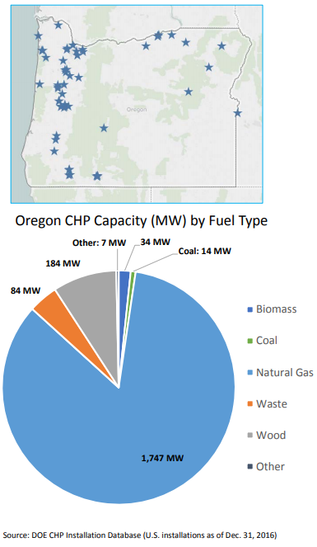

 | To align with EPS structure, combine wood and waste to biomass.

